Dashboard
National Pollution Monitoring DashBoard

Statewise pollution Average
 | Total
Andaman and Nicobar | 15.714285714
Andhra_Pradesh | 30.392857143
Arunachal_Pradesh | 0
Assam | 38.883333333
Bihar | 46.263392857
Chandigarh | 42.714285714
Chhattisgarh | 35.904255319
 | Total
Bulandshahr | 79.857142857
Barbil | 82.428571429
Sri Ganganagar | 82.714285714
Dewas | 82.857142857
Dhanbad | 84.5
Hajipur | 84.714285714
Gurugram | 87.2
Delhi | 89.442622951
Ghaziabad | 89.464285714
Singrauli | 93.142857143
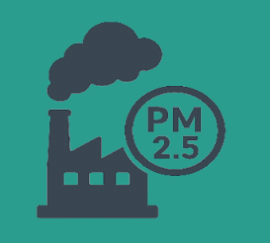

Number of Stations:
479
Number of Cities:
253

Pollutants
 | Total
CO | 29.657534247
NH3 | 4.5076923077
NO2 | 22.887323944
OZONE | 35.183098592
PM10 | 85
PM2.5 | 85.493150685
SO2 | 11.767123288
No. of Stations per state
 | Total
Andaman and Nicobar | 7
Andhra_Pradesh | 84
Arunachal_Pradesh | 6
Assam | 60
Bihar | 224
Chandigarh | 21
Chhattisgarh | 94
 | Total
Andaman and Nicobar | 27.857142857
Andhra_Pradesh | 29.571428571
Arunachal_Pradesh | 0
Assam | 48.95
Bihar | 63.089285714
Chandigarh | 49.761904762
Chhattisgarh | 50.723404255
Pollution range

